Sheet2
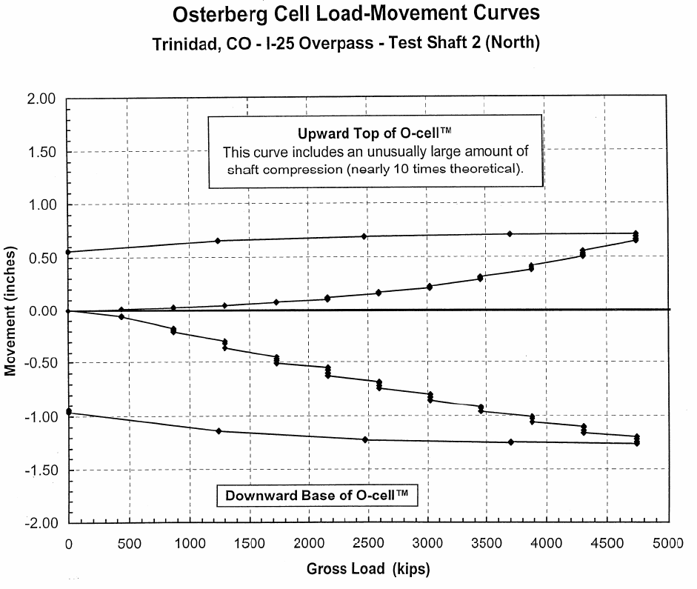
x | Top | x | Bottom | Load | Upward | Downward
-2.77108 | 0.55053 | -6.17276 | 2.59E-05 | 0 | 0.000 | 0.000
6.12216 | -0.00698571 | -2.9353 | -0.951037 | 447 | 0.013 | -0.044
456.305 | 0.0126654 | 438.136 | -0.0437964 | 873 | 0.025 | -0.164
875.619 | 0.0254338 | 869.863 | -0.164489 | 873 | 0.025 | -0.199
1255.56 | 0.651552 | 875.928 | -0.199479 | 1311 | 0.038 | -0.278
1313.43 | 0.0381507 | 1243.42 | -1.13109 | 1311 | 0.038 | -0.299
1739.08 | 0.0787761 | 1307.78 | -0.278214 | 1311 | 0.038 | -0.355
2170.81 | 0.105447 | 1313.72 | -0.355162 | 1739 | 0.079 | -0.441
2470.43 | 0.703915 | 1313.89 | -0.299219 | 1739 | 0.079 | -0.504
2584.17 | 0.153075 | 1739.19 | -0.503801 | 2168 | 0.105 | -0.534
3016.12 | 0.214589 | 1739.38 | -0.440865 | 2168 | 0.105 | -0.576
3442.11 | 0.310963 | 2164.78 | -0.610482 | 2168 | 0.105 | -0.610
3678.88 | 0.714484 | 2164.89 | -0.575517 | 2587 | 0.153 | -0.682
3867.98 | 0.386431 | 2165.02 | -0.53356 | 2587 | 0.153 | -0.710
3868.15 | 0.414305 | 2471.54 | -1.22016 | 2587 | 0.153 | -0.738
4287.94 | 0.503727 | 2590.4 | -0.71017 | 3019 | 0.215 | -0.789
4288.2 | 0.545538 | 2590.49 | -0.682198 | 3019 | 0.215 | -0.831
4726.99 | 0.718531 | 2596.49 | -0.738167 | 3439 | 0.311 | -0.910
4732.73 | 0.648829 | 3022.13 | -0.830862 | 3439 | 0.311 | -0.951
 |  | 3028.43 | -0.78893 | 3865 | 0.386 | -1.009
 |  | 3435.33 | -0.951477 | 3865 | 0.414 | -1.065
 |  | 3435.46 | -0.909519 | 4290 | 0.504 | -1.102
 |  | 3687.49 | -1.25323 | 4290 | 0.546 | -1.172
 |  | 3854.91 | -1.00918 | 4732 | 0.649 | -1.188
 |  | 3867.08 | -1.06518 | 4732 | 0.719 | -1.272
 |  | 4286.51 | -1.17183 | 3683 | 0.714 | -1.253
 |  | 4299.07 | -1.10195 | 2471 | 0.704 | -1.220
 |  | 4724.73 | -1.18766 | 1249 | 0.652 | -1.131
 |  | 4742.99 | -1.27165 | 0 | 0.551 | -0.951

